Self Assess Risk Management
 | RTO: 31926
 | Level 4 Integrated Risk Management - Self-Assessment Guide
 | Spend no more than 15 minutes completing this activity. If you are unsure simply put a 1 in Column A
 | Name: | Date: | Place a one (1) in only one of the columns labelled A, B, C or D for each element
 | Type Name Here | dd/mm/yyyy | I have never done or participated in this or I do not know | I have done, or do this, under supervision | I sometimes do this, or have done this during the past 3 years | I often do this, or have often done this within the past 3 years
 | Subject Area | Description | A | B | C | D
1 | Identify & engage with risk stakeholders | Identify internal and external stakeholders and their particular interests
2 |  | Identify stakeholders' preferred means of communication
3 |  | Engage with stakeholders throughout the risk management process
4 |  | Apply standard risk management vocabulary during the risk management process
5 | Draft the Risk Communication & Consultation Plan | Support the preparation of a draft Risk Communication and Consultation Plan, incorporating risk register, in consultation with stakeholders
6 |  | Submit draft Risk Communication and Consultation Plan for review and make appropriate changes
7 |  | Support approval process for the final Risk Communication and Consultation Plan
8 | Implement Risk Communication & Consultation Plan | Initiate an ongoing process to distribute the risk register to stakeholders for review
9 |  | Assemble and log input from stakeholders on a continuing basis
10 |  | Coordinate changes arising and distribute appropriate documentation to stakeholders
11 | Maintain Risk Register | Establish a risk register in accordance with organisational policy and with guidance from key stakeholders
12 |  | Update the risk register on a continuing basis
13 |  | Refer any changes in the context to stakeholders for review
14 |  | Refer changes in the risk register to stakeholders for review and agreement
15 |  | Prepare and provide risk reports, as required
16 |  | Participate in the capture and recording of risk lessons learned
17 |  | Close risk register
18 | Identify the external context | Collect data on the external context that will potentially contribute to, or impact on, the risk management process
19 |  | Collect and assemble data on the external stakeholders' perceptions and values
20 |  | Prepare data for input to the Risk Communication and Consultation Plan & Risk Register
21 | Identify the internal context | Collect and collate data on the internal organisational structure, key personnel, values, perceptions and reporting lines
22 |  | Collect and collate data on relevant policies and procedures that will impact on, or contribute to the risk management process
23 |  | Prepare data for input to the Risk Communication and Consultation Plan & Risk Register
24 | Identify the risk management context | Contribute to the identification of activities to which the risk assessment process will apply
25 |  | Participate in defining the activities' objectives and scope
26 |  | Collate risk management context information for inclusion in the Risk Communication and Consultation Plan & Risk Register
27 |  | Participate in identifying the risk management methodology to be applied
28 | Develop risk criteria | Contribute to the development of the likelihood criteria
29 |  | Contribute to the development of the consequence criteria
30 |  | Contribute to the development of the overall risk rating criteria
31 |  | Contribute to the development of risk appetite and tolerance levels as a basis for risk acceptance criteria
32 | Contribute to risk identification process | Identify tools to assist in the identification of risks
33 |  | Assist in the identification of stakeholders who will provide input to the risk identification process
34 |  | Assist in identifying broad areas/sources of risk, risk categories and specific risk events within each category
35 |  | Prepare a draft risk breakdown structure for agreement by stakeholders
36 | Record identified risks in the Risk Register | Contribute to the risk event description process
37 |  | Apply technology to record risk classification information
38 |  | Communicate risk classification information with stakeholders in accordance with the Risk Communication and Consultation Plan
39 | Contribute to the Risk Analysis process | Participate in the selection of appropriate risk criteria tables
40 |  | Contribute to risk analysis for each risk event in the register in order to determine the overall risk rating for each event.
41 |  | Use technology to record and prepare the risk analysis results for approval
42 |  | Communicate the agreed risk analysis with stakeholders in accordance with the Risk Communication and Consultation Plan
43 | Contribute to the Risk evaluation process | Participate in the selection of the most appropriate risk evaluation process
44 |  | Contribute to the evaluation of each risk event in the risk register
45 |  | Use technology to record and prepare the risk evaluation results for approval
46 |  | Assist in the application of risk acceptance criteria to the list of evaluated risks
47 |  | Communicate the agreed risk evaluation with stakeholders in accordance with the Risk Communication and Consultation Plan
48 | Identify Risk Treatment options | Contribute to the discussion on the effectiveness of existing controls
49 |  | Contribute to the identification and development of proactive treatment option(s)
50 |  | Contribute to the identification and development of reactive treatment option(s)
51 |  | Communicate the treatment options with stakeholders in accordance with the Risk Communication and Consultation Plan
52 | Participate in selection of the preferred risk treatment option(s) | Contribute to the discussion on cost/benefit of treatment option(s)
53 |  | Contribute to the selection of the preferred treatment option(s)
54 |  | Communicate the preferred treatment option(s) with stakeholders in accordance with the Risk Communication and Consultation Plan for approval
55 | Contribute to the allocation of responsibility & accountability for the risk and its treatment plan | Contribute to the identification of the most appropriate person to manage the risk and its treatment plan
56 |  | Contribute to the development of treatment approaches for residual risks and risks outside area of responsibility
57 |  | Contribute to the identification of appropriate resources, budgets and schedules to manage the risk
58 |  | Use technology to record and prepare the risk treatment planning results for approval
59 |  | Communicate the agreed risk treatment plans with stakeholders in accordance with the Risk Communication and Consultation Plan
60 | Monitor risks | Prepare a risk monitoring & review plan for agreement by stakeholders and inclusion in the Communications & Consultation Plan
61 |  | Participate in continuous monitoring of: • risk context • risk identification process • risk analysis process • risk evaluation process • risk treatment process
62 |  | Prepare and deliver Reports on outcomes of monitoring to stakeholders
63 |  | Use technology to maintain updated risk data, risk analysis, risk treatment plans and the risk register
64 | Review the risk process | Participate in continuous review of the: • risk context • risk identification process • risk analysis process • risk evaluation process • risk treatment process
65 |  | Report on outcomes of the risk review to stakeholders for approval
66 |  | Use technology to capture and record lessons learned and any process improvements
67 |  | Communicate the agreed risk monitoring & review issues with stakeholders in accordance with the Risk Communication and Consultation Plan
68 |  | Implement agreed improvements to the risk management process
69 | Use software to establish risk register | Identify the information, data and format necessary to establish the risk register
70 |  | Confirm the risk criteria to be used are loaded correctly into the software
71 |  | Enter initial data into the risk software
72 | Use software to maintain risk register | Distribute the initial risk data
73 |  | Enter any new or updated risk data
74 |  | Remove any obsolete risk data
75 |  | Report and submit any changes to risk data and information for approval
76 |  | Distribute and communicate with stakeholders any new or updated information and data in accordance with the risk communication and consultation plan
77 |  | Maintain the currency of the software system/licence in use
78 | Use software to close risk register | Enter lessons learned data into the software
79 |  | Transfer residual risks to the appropriate authority, if necessary
80 | Contribute to the identification of business threats | Participate in the identification of stakeholders
81 |  | Participate in the identification of specific threats
82 |  | Participate in the selection of the risk criteria to be applied
83 | Contribute to the assessment of business threats | Undertake analysis of each identified threat
84 |  | Identify existing controls that may support crisis management planning activities
85 |  | Assist in formulating the design and nature of a crisis management plan, in response to one or more of the identified business threats
86 | Support crisis management | Participate in formulation of the objective(s) and scope of the crisis management plan
87 |  | Identify and coordinate supplies, resources and locations in support of the plan
88 |  | Submit the crisis management plan for approval
89 |  | Communicate the agreed crisis management plan with stakeholders in accordance with an agreed communication and consultation plan
90 |  | Contribute to the auditing & testing of crisis management plan on a continuous basis
91 |  | Submit any changes to the crisis management plan to management for approval
 |  |  | 0 | 0 | 0 | 0

 |  | Total (Target Score is 273 points) Your Score | 0

 | Legend |  | Result Range | Initial Recommendation
 | Initial | There is an opportunity for greater learning regarding Integrated Risk Management at this time. The Certificate IV in Integrated Risk Management is consdiered the first step in attaining the knowledge, skills and attributes regarding IRM. | 0 to 170 | Enrol in the Certificate IV in Integrated Risk Management as a first step. Contact our team on (07) 33432924 or info@itpl.com.au
 | Defined | There is consistent application across some, but not all, areas. There is still room for major improvements. | 171 to 233 | A mentored development/blended learning pathway is more likely the best option to achieve your Certificate IV in Integrated Risk Management with a focus on those specific areas requiring attention. Contact our team on (07) 33432924 or info@itpl.com.au
 | Integrated | Sound processes exist and these have been integrated across some aspects of the business. Opportunities may still exist to improve processes and to capture, share and apply lessons learned. | 234 to 273 | Go through an RPL process to achieve your Certificate IV in Integrated Risk Management. Contact our team on (07) 33432924 or info@itpl.com.au

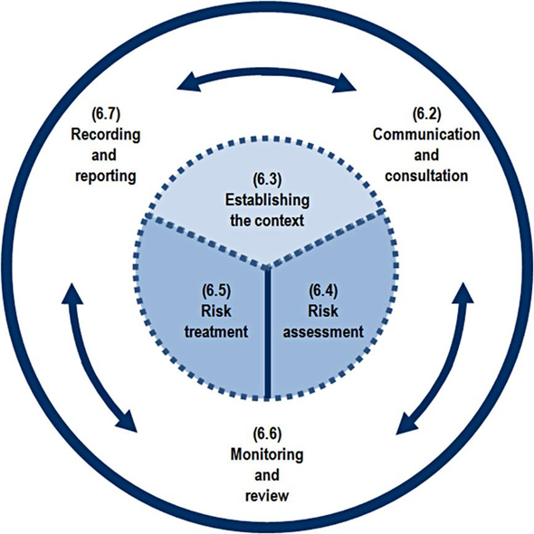

 |  | ISO 31000: 2018

 |  | Candidate Signature:

