Self Assess Risk Management
RTO: 31926
Level 4 Integrated Risk Management - Self-Assessment Grid
Spend no more than 15 minutes completing this activity. If you are unsure simply put a 1 in Column A
Name: | Date: | Place a one (1) in only one of the columns labelled A, B, C or D for each element
Type Name Here | dd/mm/yyyy | I have never done or participated in this or I do not know | I have done, or do this, under supervision | I sometimes do this, or have done this during the past 3 years | I often do this, or have often done this within the past 3 years
Subject Area | Description | A | B | C | D
Engage with risk stakeholders | Identified internal and external stakeholders and their particular interests
 | Drafted a communicaiton & consultation plan
 | Implemented a communicaiton & consultation plan
 | Conducted a review of a communicaiton & consultation plan
Establish Risk Environment | Created a risk management plan format
 | Defined the scope to which the risk management process will be applied
 | Defined the internal and extenal contexts
 | Created risk critieria tables
 | Classified risks into areas and categories
Conduct risk assessment | Recorded identified risks
 | Conducted a rsk analysis
 | Applied risk evaluation criteria
 | Finalised the risk register
Develop the treatment plans | Developed risk treatment options
 | Determined the level of residual risk
 | Finalised risk treatment plan
 | Finailsed the risk management plan
Monitor and review risks | Monitored & reviewed the risk management plan
 | Monitored & reviewed the risk management process
Use risk management software | Prepared software for use
 | Used software to follow the risk management process steps
 | Secured software legal and contractural requirements
Develop a crisis management plan | Supported crisis planning
 | Prepared a crisis management plan
 | Tested a crisis management plan
 |  | 0 | 0 | 0 | 0

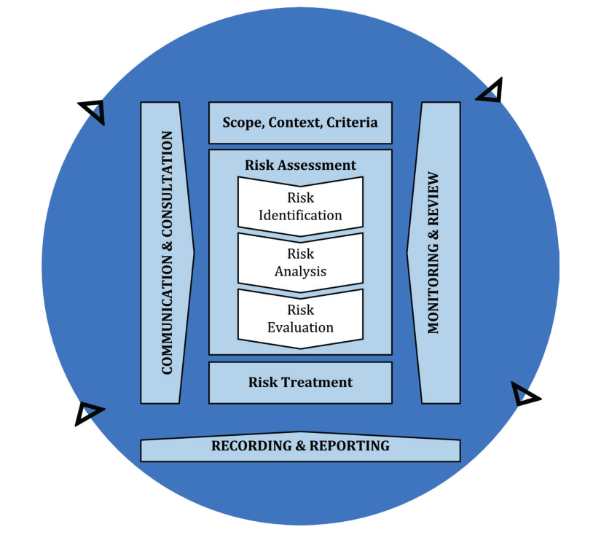
 | Your Score | 0

 |  | Result Range | Initial Recommendation
 |  | 0 to 60 | Enrol in the Certificate IV in Integrated Risk Management as a first step. Contact our team on (07) 33432924 or info@itpl.com.au
 |  | 61 to 79 | A mentored development/blended learning pathway is more likely the best option to achieve your Certificate IV in Integrated Risk Management with a focus on those specific areas requiring attention. Contact our team on (07) 33432924 or info@itpl.com.au
 |  | 80 to 100 | Go through an RPL process to achieve your Certificate IV in Integrated Risk Management. Contact our team on (07) 33432924 or info@itpl.com.au

 | ISO 31000: 2018

 | Candidate Signature:

